Ch.3
time | in | load | address | out | 0 | 1 | 2 | 3 | 4 | 5 | 6 | 7 |  | 1 | time | in | reset | load | inc | out
0+ | 0 | 0 | 0 | 0 | 0 | 0 | 0 | 0 | 0 | 0 | 0 | 0 | 0 | 2 | 0+ | 0 | 0 | 0 | 0 | 0
1 | 0 | 0 | 0 | 0 | 0 | 0 | 0 | 0 | 0 | 0 | 0 | 0 | 0 | 3 | 1 | 0 | 0 | 0 | 0 | 0 |  |  | 8-way 16 bit mux
1+ | 0 | 1 | 0 | 0 | 0 | 0 | 0 | 0 | 0 | 0 | 0 | 0 | 0 | 4 | 1+ | 0 | 0 | 0 | 1 | 0
2 | 0 | 1 | 0 | 0 | 0 | 0 | 0 | 0 | 0 | 0 | 0 | 0 | 0 | 5 | 2 | 0 | 0 | 0 | 1 | 1 |  | reset | load | inc | output
2+ | 11111 | 0 | 0 | 0 | 0 | 0 | 0 | 0 | 0 | 0 | 0 | 0 | 0 | 6 | 2+ | -32123 | 0 | 0 | 1 | 1 | a | 0 | 0 | 0 | out(t-1)
3 | 11111 | 0 | 0 | 0 | 0 | 0 | 0 | 0 | 0 | 0 | 0 | 0 | 0 | 7 | 3 | -32123 | 0 | 0 | 1 | 2 | b | 0 | 0 | 1 | out(t-1)+1
3+ | 11111 | 1 | 1 | 0 | 0 | 0 | 0 | 0 | 0 | 0 | 0 | 0 | 0 | 8 | 3+ | -32123 | 0 | 1 | 1 | 2 | c | 0 | 1 | 0 | out(t)=in(t-1)
4 | 11111 | 1 | 1 | 11111 | 0 | 1111 | 0 | 0 | 0 | 0 | 0 | 0 | 1111 | 9 | 4 | -32123 | 0 | 1 | 1 | -32123 | d | 0 | 1 | 1 | out(t)=in(t-1)
4+ | 11111 | 0 | 0 | 0 | 0 | 1111 | 0 | 0 | 0 | 0 | 0 | 0 | 0 | 10 | 4+ | -32123 | 0 | 0 | 1 | -32123 | e | 1 | 0 | 0 | out=0
5 | 11111 | 0 | 0 | 0 | 0 | 1111 | 0 | 0 | 0 | 0 | 0 | 0 | 0 | 11 | 5 | -32123 | 0 | 0 | 1 | -32122 | f | 1 | 0 | 1 | out=0
5+ | 3333 | 0 | 3 | 0 | 0 | 1111 | 0 | 0 | 0 | 0 | 0 | 0 | 0 | 12 | 5+ | -32123 | 0 | 0 | 1 | -32122 | g | 1 | 1 | 0 | out=0
6 | 3333 | 0 | 3 | 0 | 0 | 1111 | 0 | 0 | 0 | 0 | 0 | 0 | 0 | 13 | 6 | -32123 | 0 | 0 | 1 | -32121 | h | 1 | 1 | 1 | out=0
6+ | 3333 | 1 | 3 | 0 | 0 | 1111 | 0 | 0 | 0 | 0 | 0 | 0 | 0 | 14 | 6+ | 12345 | 0 | 1 | 0 | -32121
7 | 3333 | 1 | 3 | 3333 | 0 | 1111 | 0 | 3333 | 0 | 0 | 0 | 0 | 3333 | 15 | 7 | 12345 | 0 | 1 | 0 | 12345
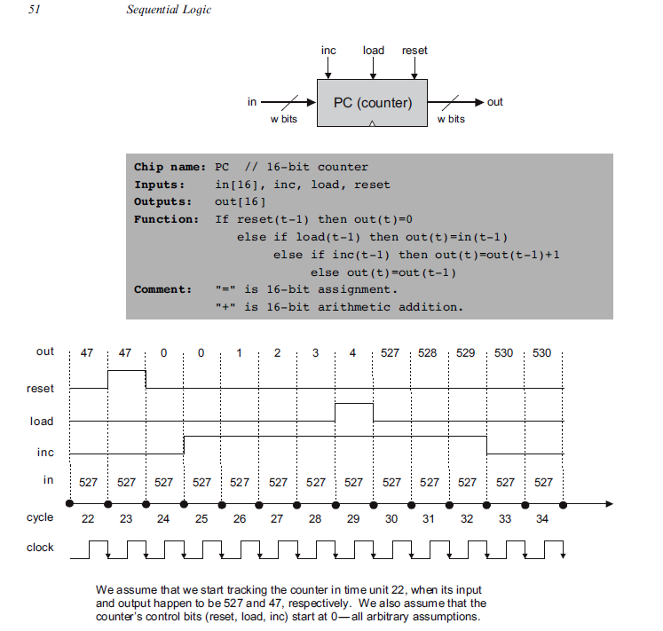
7+ | 3333 | 0 | 3 | 3333 | 0 | 1111 | 0 | 3333 | 0 | 0 | 0 | 0 | 3333 | 16 | 7+ | 12345 | 1 | 1 | 0 | 12345
8 | 3333 | 0 | 3 | 3333 | 0 | 1111 | 0 | 3333 | 0 | 0 | 0 | 0 | 3333 | 17 | 8 | 12345 | 1 | 1 | 0 | 0
8 | 3333 | 0 | 1 | 11111 | 0 | 1111 | 0 | 3333 | 0 | 0 | 0 | 0 | 1111 | 18 | 8+ | 12345 | 0 | 1 | 1 | 0
8+ | 7777 | 0 | 1 | 11111 | 0 | 1111 | 0 | 3333 | 0 | 0 | 0 | 0 | 1111 | 19 | 9 | 12345 | 0 | 1 | 1 | 12345
9 | 7777 | 0 | 1 | 11111 | 0 | 1111 | 0 | 3333 | 0 | 0 | 0 | 0 | 1111 | 20 | 9+ | 12345 | 1 | 1 | 1 | 12345
9+ | 7777 | 1 | 7 | 0 | 0 | 1111 | 0 | 3333 | 0 | 0 | 0 | 0 | 0 | 21 | 10 | 12345 | 1 | 1 | 1 | 0
10 | 7777 | 1 | 7 | 7777 | 0 | 1111 | 0 | 3333 | 0 | 0 | 0 | 7777 | 7777 | 22 | 10+ | 12345 | 0 | 0 | 1 | 0
10+ | 7777 | 0 | 7 | 7777 | 0 | 1111 | 0 | 3333 | 0 | 0 | 0 | 7777 | 7777 | 23 | 11 | 12345 | 0 | 0 | 1 | 1
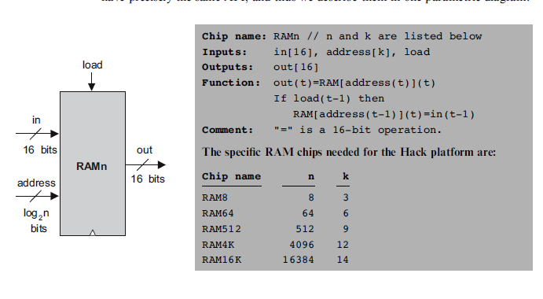
11 | 7777 | 0 | 7 | 7777 | 0 | 1111 | 0 | 3333 | 0 | 0 | 0 | 7777 | 7777 | 24 | 11+ | 12345 | 1 | 0 | 1 | 1
11 | 7777 | 0 | 3 | 3333 | 0 | 1111 | 0 | 3333 | 0 | 0 | 0 | 7777 | 3333 | 25 | 12 | 12345 | 1 | 0 | 1 | 0
11 | 7777 | 0 | 7 | 7777 | 0 | 1111 | 0 | 3333 | 0 | 0 | 0 | 7777 | 7777 | 26 | 12+ | 0 | 0 | 1 | 1 | 0
11+ | 7777 | 0 | 0 | 0 | 0 | 1111 | 0 | 3333 | 0 | 0 | 0 | 7777 | 0 | 27 | 13 | 0 | 0 | 1 | 1 | 0
12 | 7777 | 0 | 0 | 0 | 0 | 1111 | 0 | 3333 | 0 | 0 | 0 | 7777 | 0 | 28 | 13+ | 0 | 0 | 0 | 1 | 0
12 | 7777 | 0 | 1 | 11111 | 0 | 1111 | 0 | 3333 | 0 | 0 | 0 | 7777 | 1111 | 29 | 14 | 0 | 0 | 0 | 1 | 1
12 | 7777 | 0 | 2 | 0 | 0 | 1111 | 0 | 3333 | 0 | 0 | 0 | 7777 | 0 | 30 | 14+ | 22222 | 1 | 0 | 0 | 1
12 | 7777 | 0 | 3 | 3333 | 0 | 1111 | 0 | 3333 | 0 | 0 | 0 | 7777 | 3333 | 31 | 15 | 22222 | 1 | 0 | 0 | 0
12 | 7777 | 0 | 4 | 0 | 0 | 1111 | 0 | 3333 | 0 | 0 | 0 | 7777 | 0 | 32
12 | 7777 | 0 | 5 | 0 | 0 | 1111 | 0 | 3333 | 0 | 0 | 0 | 7777 | 0 | 33
12 | 7777 | 0 | 6 | 0 | 0 | 1111 | 0 | 3333 | 0 | 0 | 0 | 7777 | 0 | 34
12 | 7777 | 0 | 7 | 7777 | 0 | 1111 | 0 | 3333 | 0 | 0 | 0 | 7777 | 7777 | 35
12+ | 21845 | 1 | 0 | 0 | 0 | 1111 | 0 | 3333 | 0 | 0 | 0 | 7777 | 0 | 36
13 | 21845 | 1 | 0 | 21845 | 21845 | 1111 | 0 | 3333 | 0 | 0 | 0 | 7777 | 21845 | 37
13+ | 21845 | 1 | 1 | 11111 | 21845 | 1111 | 0 | 3333 | 0 | 0 | 0 | 7777 | 1111 | 38
14 | 21845 | 1 | 1 | 21845 | 21845 | 21845 | 0 | 3333 | 0 | 0 | 0 | 7777 | 21845 | 39
14+ | 21845 | 1 | 2 | 0 | 21845 | 21845 | 0 | 3333 | 0 | 0 | 0 | 7777 | 0 | 40
15 | 21845 | 1 | 2 | 21845 | 21845 | 21845 | 21845 | 3333 | 0 | 0 | 0 | 7777 | 21845 | 41
15+ | 21845 | 1 | 3 | 3333 | 21845 | 21845 | 21845 | 3333 | 0 | 0 | 0 | 7777 | 3333 | 42
16 | 21845 | 1 | 3 | 21845 | 21845 | 21845 | 21845 | 21845 | 0 | 0 | 0 | 7777 | 21845 | 43
16+ | 21845 | 1 | 4 | 0 | 21845 | 21845 | 21845 | 21845 | 0 | 0 | 0 | 7777 | 0 | 44
17 | 21845 | 1 | 4 | 21845 | 21845 | 21845 | 21845 | 21845 | 0 | 0 | 0 | 7777 | 0 | 45
17+ | 21845 | 1 | 5 | 0 | 21845 | 21845 | 21845 | 21845 | 0 | 0 | 0 | 7777 | 0 | 46
18 | 21845 | 1 | 5 | 21845 | 21845 | 21845 | 21845 | 21845 | 0 | 0 | 0 | 7777 | 0 | 47
18+ | 21845 | 1 | 6 | 0 | 21845 | 21845 | 21845 | 21845 | 0 | 0 | 0 | 7777 | 0 | 48
19 | 21845 | 1 | 6 | 21845 | 21845 | 21845 | 21845 | 21845 | 0 | 0 | 0 | 7777 | 0 | 49
19+ | 21845 | 1 | 7 | 7777 | 21845 | 21845 | 21845 | 21845 | 0 | 0 | 0 | 7777 | 7777 | 50
20 | 21845 | 1 | 7 | 21845 | 21845 | 21845 | 21845 | 21845 | 0 | 0 | 0 | 7777 | 7777 | 51
20+ | 21845 | 0 | 0 | 21845 | 21845 | 21845 | 21845 | 21845 | 0 | 0 | 0 | 7777 | 21845 | 52
21 | 21845 | 0 | 0 | 21845 | 21845 | 21845 | 21845 | 21845 | 0 | 0 | 0 | 7777 | 21845 | 53
21 | 21845 | 0 | 1 | 21845 | 21845 | 21845 | 21845 | 21845 | 0 | 0 | 0 | 7777 | 21845 | 54
21 | 21845 | 0 | 2 | 21845 | 21845 | 21845 | 21845 | 21845 | 0 | 0 | 0 | 7777 | 21845 | 55
21 | 21845 | 0 | 3 | 21845 | 21845 | 21845 | 21845 | 21845 | 0 | 0 | 0 | 7777 | 21845 | 56
21 | 21845 | 0 | 4 | 21845 | 21845 | 21845 | 21845 | 21845 | 0 | 0 | 0 | 7777 | 0 | 57
21 | 21845 | 0 | 5 | 21845 | 21845 | 21845 | 21845 | 21845 | 0 | 0 | 0 | 7777 | 0 | 58
21 | 21845 | 0 | 6 | 21845 | 21845 | 21845 | 21845 | 21845 | 0 | 0 | 0 | 7777 | 0 | 59
21 | 21845 | 0 | 7 | 21845 | 21845 | 21845 | 21845 | 21845 | 0 | 0 | 0 | 7777 | 7777 | 60
21+ | -21846 | 1 | 0 | 21845 | 21845 | 21845 | 21845 | 21845 | 0 | 0 | 0 | 7777 | 21845 | 61
22 | -21846 | 1 | 0 | -21846 | 21845 | 21845 | 21845 | 21845 | 0 | 0 | 0 | 7777 | 21845 | 62
22+ | -21846 | 0 | 0 | -21846 | 21845 | 21845 | 21845 | 21845 | 0 | 0 | 0 | 7777 | 21845 | 63
23 | -21846 | 0 | 0 | -21846 | 21845 | 21845 | 21845 | 21845 | 0 | 0 | 0 | 7777 | 21845 | 64
23 | -21846 | 0 | 1 | 21845 | 21845 | 21845 | 21845 | 21845 | 0 | 0 | 0 | 7777 | 21845 | 65
23 | -21846 | 0 | 2 | 21845 | 21845 | 21845 | 21845 | 21845 | 0 | 0 | 0 | 7777 | 21845 | 66
23 | -21846 | 0 | 3 | 21845 | 21845 | 21845 | 21845 | 21845 | 0 | 0 | 0 | 7777 | 21845 | 67
23 | -21846 | 0 | 4 | 21845 | 21845 | 21845 | 21845 | 21845 | 0 | 0 | 0 | 7777 | 0 | 68
23 | -21846 | 0 | 5 | 21845 | 21845 | 21845 | 21845 | 21845 | 0 | 0 | 0 | 7777 | 0 | 69
23 | -21846 | 0 | 6 | 21845 | 21845 | 21845 | 21845 | 21845 | 0 | 0 | 0 | 7777 | 0 | 70
23 | -21846 | 0 | 7 | 21845 | 21845 | 21845 | 21845 | 21845 | 0 | 0 | 0 | 7777 | 7777 | 71
23+ | 21845 | 1 | 0 | -21846 | 21845 | 21845 | 21845 | 21845 | 0 | 0 | 0 | 7777 | 21845 | 72
24 | 21845 | 1 | 0 | 21845 | 21845 | 21845 | 21845 | 21845 | 0 | 0 | 0 | 7777 | 21845 | 73
24+ | -21846 | 1 | 1 | 21845 | 21845 | 21845 | 21845 | 21845 | 0 | 0 | 0 | 7777 | 21845 | 74
25 | -21846 | 1 | 1 | -21846 | 21845 | 21845 | 21845 | 21845 | 0 | 0 | 0 | 7777 | 21845 | 75
25+ | -21846 | 0 | 0 | 21845 | 21845 | 21845 | 21845 | 21845 | 0 | 0 | 0 | 7777 | 21845 | 76
26 | -21846 | 0 | 0 | 21845 | 21845 | 21845 | 21845 | 21845 | 0 | 0 | 0 | 7777 | 21845 | 77
26 | -21846 | 0 | 1 | -21846 | 21845 | 21845 | 21845 | 21845 | 0 | 0 | 0 | 7777 | 21845 | 78
26 | -21846 | 0 | 2 | 21845 | 21845 | 21845 | 21845 | 21845 | 0 | 0 | 0 | 7777 | 21845 | 79
26 | -21846 | 0 | 3 | 21845 | 21845 | 21845 | 21845 | 21845 | 0 | 0 | 0 | 7777 | 21845 | 80
26 | -21846 | 0 | 4 | 21845 | 21845 | 21845 | 21845 | 21845 | 0 | 0 | 0 | 7777 | 0 | 81
26 | -21846 | 0 | 5 | 21845 | 21845 | 21845 | 21845 | 21845 | 0 | 0 | 0 | 7777 | 0 | 82
26 | -21846 | 0 | 6 | 21845 | 21845 | 21845 | 21845 | 21845 | 0 | 0 | 0 | 7777 | 0 | 83
26 | -21846 | 0 | 7 | 21845 | 21845 | 21845 | 21845 | 21845 | 0 | 0 | 0 | 7777 | 7777 | 84
26+ | 21845 | 1 | 1 | -21846 | 21845 | 21845 | 21845 | 21845 | 0 | 0 | 0 | 7777 | 21845 | 85
27 | 21845 | 1 | 1 | 21845 | 21845 | 21845 | 21845 | 21845 | 0 | 0 | 0 | 7777 | 21845 | 86
27+ | -21846 | 1 | 2 | 21845 | 21845 | 21845 | 21845 | 21845 | 0 | 0 | 0 | 7777 | 21845 | 87
28 | -21846 | 1 | 2 | -21846 | 21845 | 21845 | 21845 | 21845 | 0 | 0 | 0 | 7777 | 21845 | 88
28+ | -21846 | 0 | 0 | 21845 | 21845 | 21845 | 21845 | 21845 | 0 | 0 | 0 | 7777 | 21845 | 89
29 | -21846 | 0 | 0 | 21845 | 21845 | 21845 | 21845 | 21845 | 0 | 0 | 0 | 7777 | 21845 | 90
29 | -21846 | 0 | 1 | 21845 | 21845 | 21845 | 21845 | 21845 | 0 | 0 | 0 | 7777 | 21845 | 91
29 | -21846 | 0 | 2 | -21846 | 21845 | 21845 | 21845 | 21845 | 0 | 0 | 0 | 7777 | 21845 | 92
29 | -21846 | 0 | 3 | 21845 | 21845 | 21845 | 21845 | 21845 | 0 | 0 | 0 | 7777 | 21845 | 93
29 | -21846 | 0 | 4 | 21845 | 21845 | 21845 | 21845 | 21845 | 0 | 0 | 0 | 7777 | 0 | 94
29 | -21846 | 0 | 5 | 21845 | 21845 | 21845 | 21845 | 21845 | 0 | 0 | 0 | 7777 | 0 | 95
29 | -21846 | 0 | 6 | 21845 | 21845 | 21845 | 21845 | 21845 | 0 | 0 | 0 | 7777 | 0 | 96
29 | -21846 | 0 | 7 | 21845 | 21845 | 21845 | 21845 | 21845 | 0 | 0 | 0 | 7777 | 7777 | 97
29+ | 21845 | 1 | 2 | -21846 | 21845 | 21845 | 21845 | 21845 | 0 | 0 | 0 | 7777 | 21845 | 98
30 | 21845 | 1 | 2 | 21845 | 21845 | 21845 | 21845 | 21845 | 0 | 0 | 0 | 7777 | 21845 | 99
30+ | -21846 | 1 | 3 | 21845 | 21845 | 21845 | 21845 | 21845 | 0 | 0 | 0 | 7777 | 21845 | 100
31 | -21846 | 1 | 3 | -21846 | 21845 | 21845 | 21845 | 21845 | 0 | 0 | 0 | 7777 | 21845 | 101
31+ | -21846 | 0 | 0 | 21845 | 21845 | 21845 | 21845 | 21845 | 0 | 0 | 0 | 7777 | 21845 | 102
32 | -21846 | 0 | 0 | 21845 | 21845 | 21845 | 21845 | 21845 | 0 | 0 | 0 | 7777 | 21845 | 103
32 | -21846 | 0 | 1 | 21845 | 21845 | 21845 | 21845 | 21845 | 0 | 0 | 0 | 7777 | 21845 | 104
32 | -21846 | 0 | 2 | 21845 | 21845 | 21845 | 21845 | 21845 | 0 | 0 | 0 | 7777 | 21845 | 105
32 | -21846 | 0 | 3 | -21846 | 21845 | 21845 | 21845 | 21845 | 0 | 0 | 0 | 7777 | 21845 | 106
32 | -21846 | 0 | 4 | 21845 | 21845 | 21845 | 21845 | 21845 | 0 | 0 | 0 | 7777 | 0 | 107
32 | -21846 | 0 | 5 | 21845 | 21845 | 21845 | 21845 | 21845 | 0 | 0 | 0 | 7777 | 0 | 108
32 | -21846 | 0 | 6 | 21845 | 21845 | 21845 | 21845 | 21845 | 0 | 0 | 0 | 7777 | 0 | 109
32 | -21846 | 0 | 7 | 21845 | 21845 | 21845 | 21845 | 21845 | 0 | 0 | 0 | 7777 | 7777 | 110
32+ | 21845 | 1 | 3 | -21846 | 21845 | 21845 | 21845 | 21845 | 0 | 0 | 0 | 7777 | 21845 | 111
33 | 21845 | 1 | 3 | 21845 | 21845 | 21845 | 21845 | 21845 | 0 | 0 | 0 | 7777 | 21845 | 112
33+ | -21846 | 1 | 4 | 21845 | 21845 | 21845 | 21845 | 21845 | 0 | 0 | 0 | 7777 | 0 | 113
34 | -21846 | 1 | 4 | -21846 | 21845 | 21845 | 21845 | 21845 | 0 | 0 | 0 | 7777 | 0 | 114
34+ | -21846 | 0 | 0 | 21845 | 21845 | 21845 | 21845 | 21845 | 0 | 0 | 0 | 7777 | 21845 | 115
35 | -21846 | 0 | 0 | 21845 | 21845 | 21845 | 21845 | 21845 | 0 | 0 | 0 | 7777 | 21845 | 116
35 | -21846 | 0 | 1 | 21845 | 21845 | 21845 | 21845 | 21845 | 0 | 0 | 0 | 7777 | 21845 | 117
35 | -21846 | 0 | 2 | 21845 | 21845 | 21845 | 21845 | 21845 | 0 | 0 | 0 | 7777 | 21845 | 118
35 | -21846 | 0 | 3 | 21845 | 21845 | 21845 | 21845 | 21845 | 0 | 0 | 0 | 7777 | 21845 | 119
35 | -21846 | 0 | 4 | -21846 | 21845 | 21845 | 21845 | 21845 | 0 | 0 | 0 | 7777 | 0 | 120
35 | -21846 | 0 | 5 | 21845 | 21845 | 21845 | 21845 | 21845 | 0 | 0 | 0 | 7777 | 0 | 121
35 | -21846 | 0 | 6 | 21845 | 21845 | 21845 | 21845 | 21845 | 0 | 0 | 0 | 7777 | 0 | 122
35 | -21846 | 0 | 7 | 21845 | 21845 | 21845 | 21845 | 21845 | 0 | 0 | 0 | 7777 | 7777 | 123
35+ | 21845 | 1 | 4 | -21846 | 21845 | 21845 | 21845 | 21845 | 0 | 0 | 0 | 7777 | 0 | 124
36 | 21845 | 1 | 4 | 21845 | 21845 | 21845 | 21845 | 21845 | 0 | 0 | 0 | 7777 | 0 | 125
36+ | -21846 | 1 | 5 | 21845 | 21845 | 21845 | 21845 | 21845 | 0 | 0 | 0 | 7777 | 0 | 126
37 | -21846 | 1 | 5 | -21846 | 21845 | 21845 | 21845 | 21845 | 0 | 0 | 0 | 7777 | 0 | 127
37+ | -21846 | 0 | 0 | 21845 | 21845 | 21845 | 21845 | 21845 | 0 | 0 | 0 | 7777 | 21845 | 128
38 | -21846 | 0 | 0 | 21845 | 21845 | 21845 | 21845 | 21845 | 0 | 0 | 0 | 7777 | 21845 | 129
38 | -21846 | 0 | 1 | 21845 | 21845 | 21845 | 21845 | 21845 | 0 | 0 | 0 | 7777 | 21845 | 130
38 | -21846 | 0 | 2 | 21845 | 21845 | 21845 | 21845 | 21845 | 0 | 0 | 0 | 7777 | 21845 | 131
38 | -21846 | 0 | 3 | 21845 | 21845 | 21845 | 21845 | 21845 | 0 | 0 | 0 | 7777 | 21845 | 132
38 | -21846 | 0 | 4 | 21845 | 21845 | 21845 | 21845 | 21845 | 0 | 0 | 0 | 7777 | 0 | 133
38 | -21846 | 0 | 5 | -21846 | 21845 | 21845 | 21845 | 21845 | 0 | 0 | 0 | 7777 | 0 | 134
38 | -21846 | 0 | 6 | 21845 | 21845 | 21845 | 21845 | 21845 | 0 | 0 | 0 | 7777 | 0 | 135
38 | -21846 | 0 | 7 | 21845 | 21845 | 21845 | 21845 | 21845 | 0 | 0 | 0 | 7777 | 7777 | 136
38+ | 21845 | 1 | 5 | -21846 | 21845 | 21845 | 21845 | 21845 | 0 | 0 | 0 | 7777 | 0 | 137
39 | 21845 | 1 | 5 | 21845 | 21845 | 21845 | 21845 | 21845 | 0 | 0 | 0 | 7777 | 0 | 138
39+ | -21846 | 1 | 6 | 21845 | 21845 | 21845 | 21845 | 21845 | 0 | 0 | 0 | 7777 | 0 | 139
40 | -21846 | 1 | 6 | -21846 | 21845 | 21845 | 21845 | 21845 | 0 | 0 | 0 | 7777 | 0 | 140
40+ | -21846 | 0 | 0 | 21845 | 21845 | 21845 | 21845 | 21845 | 0 | 0 | 0 | 7777 | 21845 | 141
41 | -21846 | 0 | 0 | 21845 | 21845 | 21845 | 21845 | 21845 | 0 | 0 | 0 | 7777 | 21845 | 142
41 | -21846 | 0 | 1 | 21845 | 21845 | 21845 | 21845 | 21845 | 0 | 0 | 0 | 7777 | 21845 | 143
41 | -21846 | 0 | 2 | 21845 | 21845 | 21845 | 21845 | 21845 | 0 | 0 | 0 | 7777 | 21845 | 144
41 | -21846 | 0 | 3 | 21845 | 21845 | 21845 | 21845 | 21845 | 0 | 0 | 0 | 7777 | 21845 | 145
41 | -21846 | 0 | 4 | 21845 | 21845 | 21845 | 21845 | 21845 | 0 | 0 | 0 | 7777 | 0 | 146
41 | -21846 | 0 | 5 | 21845 | 21845 | 21845 | 21845 | 21845 | 0 | 0 | 0 | 7777 | 0 | 147
41 | -21846 | 0 | 6 | -21846 | 21845 | 21845 | 21845 | 21845 | 0 | 0 | 0 | 7777 | 0 | 148
41 | -21846 | 0 | 7 | 21845 | 21845 | 21845 | 21845 | 21845 | 0 | 0 | 0 | 7777 | 7777 | 149
41+ | 21845 | 1 | 6 | -21846 | 21845 | 21845 | 21845 | 21845 | 0 | 0 | 0 | 7777 | 0 | 150
42 | 21845 | 1 | 6 | 21845 | 21845 | 21845 | 21845 | 21845 | 0 | 0 | 0 | 7777 | 0 | 151
42+ | -21846 | 1 | 7 | 21845 | 21845 | 21845 | 21845 | 21845 | 0 | 0 | 0 | 7777 | 7777 | 152
43 | -21846 | 1 | 7 | -21846 | 21845 | 21845 | 21845 | 21845 | 0 | 0 | 0 | 7777 | 7777 | 153
43+ | -21846 | 0 | 0 | 21845 | 21845 | 21845 | 21845 | 21845 | 0 | 0 | 0 | 7777 | 21845 | 154
44 | -21846 | 0 | 0 | 21845 | 21845 | 21845 | 21845 | 21845 | 0 | 0 | 0 | 7777 | 21845 | 155
44 | -21846 | 0 | 1 | 21845 | 21845 | 21845 | 21845 | 21845 | 0 | 0 | 0 | 7777 | 21845 | 156
44 | -21846 | 0 | 2 | 21845 | 21845 | 21845 | 21845 | 21845 | 0 | 0 | 0 | 7777 | 21845 | 157
44 | -21846 | 0 | 3 | 21845 | 21845 | 21845 | 21845 | 21845 | 0 | 0 | 0 | 7777 | 21845 | 158
44 | -21846 | 0 | 4 | 21845 | 21845 | 21845 | 21845 | 21845 | 0 | 0 | 0 | 7777 | 0 | 159
44 | -21846 | 0 | 5 | 21845 | 21845 | 21845 | 21845 | 21845 | 0 | 0 | 0 | 7777 | 0 | 160
44 | -21846 | 0 | 6 | 21845 | 21845 | 21845 | 21845 | 21845 | 0 | 0 | 0 | 7777 | 0 | 161
44 | -21846 | 0 | 7 | -21846 | 21845 | 21845 | 21845 | 21845 | 0 | 0 | 0 | 7777 | 7777 | 162
44+ | 21845 | 1 | 7 | -21846 | 21845 | 21845 | 21845 | 21845 | 0 | 0 | 0 | 7777 | 7777 | 163
45 | 21845 | 1 | 7 | 21845 | 21845 | 21845 | 21845 | 21845 | 0 | 0 | 0 | 7777 | 7777 | 164
45+ | 21845 | 0 | 0 | 21845 | 21845 | 21845 | 21845 | 21845 | 0 | 0 | 0 | 7777 | 21845 | 165
46 | 21845 | 0 | 0 | 21845 | 21845 | 21845 | 21845 | 21845 | 0 | 0 | 0 | 7777 | 21845 | 166
46 | 21845 | 0 | 1 | 21845 | 21845 | 21845 | 21845 | 21845 | 0 | 0 | 0 | 7777 | 21845 | 167
46 | 21845 | 0 | 2 | 21845 | 21845 | 21845 | 21845 | 21845 | 0 | 0 | 0 | 7777 | 21845 | 168
46 | 21845 | 0 | 3 | 21845 | 21845 | 21845 | 21845 | 21845 | 0 | 0 | 0 | 7777 | 21845 | 169
46 | 21845 | 0 | 4 | 21845 | 21845 | 21845 | 21845 | 21845 | 0 | 0 | 0 | 7777 | 0 | 170
46 | 21845 | 0 | 5 | 21845 | 21845 | 21845 | 21845 | 21845 | 0 | 0 | 0 | 7777 | 0 | 171
46 | 21845 | 0 | 6 | 21845 | 21845 | 21845 | 21845 | 21845 | 0 | 0 | 0 | 7777 | 0 | 172
46 | 21845 | 0 | 7 | 21845 | 21845 | 21845 | 21845 | 21845 | 0 | 0 | 0 | 7777 | 7777 | 173

Sheet1
 | zero x | negate x | zero y | negate y | addition or and | not the output
 | zx | nx | zy | ny | f | no | zx |  |  |  |  |  | zy
0 | 0 | 0 | 0 | 0 | 0 | 0
1 | 0 | 0 | 0 | 0 | 0 | 1 | x | zx | out | how to implment? | not y |  | y | zy | out | how to implment? | not y
2 | 0 | 0 | 0 | 0 | 1 | 0 | 0 | 0 | 0 | x and not zx | TRUE | FALSE | 0 | 0 | 0 | y and not zy | TRUE | FALSE
3 | 0 | 0 | 0 | 0 | 1 | 1 | 1 | 0 | 1 |  | TRUE | TRUE | 1 | 0 | 1 |  | TRUE | TRUE
4 | 0 | 0 | 0 | 1 | 0 | 0 | 0 | 1 | 0 |  | FALSE | FALSE | 0 | 1 | 0 |  | FALSE | FALSE
5 | 0 | 0 | 0 | 1 | 0 | 1 | 1 | 1 | 0 |  | FALSE | FALSE | 1 | 1 | 0 |  | FALSE | FALSE
6 | 0 | 0 | 0 | 1 | 1 | 0
7 | 0 | 0 | 0 | 1 | 1 | 1 | nx |  |  |  |  |  | ny
8 | 0 | 0 | 1 | 0 | 0 | 0 | x | nx | out |  |  |  | y | ny | out
9 | 0 | 0 | 1 | 0 | 0 | 1 | 0 | 0 | 0 | xor |  | FALSE | 0 | 0 | 0 | xor |  | FALSE
10 | 0 | 0 | 1 | 0 | 1 | 0 | 1 | 0 | 1 |  |  | TRUE | 1 | 0 | 1 |  |  | TRUE
11 | 0 | 0 | 1 | 0 | 1 | 1 | 0 | 1 | 1 |  |  | TRUE | 0 | 1 | 1 |  |  | TRUE
12 | 0 | 0 | 1 | 1 | 0 | 0 | 1 | 1 | 0 |  |  | FALSE | 1 | 1 | 0 |  |  | FALSE
13 | 0 | 0 | 1 | 1 | 0 | 1
14 | 0 | 0 | 1 | 1 | 1 | 0 | no | out | out2
15 | 0 | 0 | 1 | 1 | 1 | 1 | 0 | 0 | 0 | xor |  | FALSE
16 | 0 | 1 | 0 | 0 | 0 | 0 | 0 | 1 | 1 |  |  | TRUE
17 | 0 | 1 | 0 | 0 | 0 | 1 | 1 | 0 | 1 |  |  | TRUE
18 | 0 | 1 | 0 | 0 | 1 | 0 | 1 | 1 | 0 |  |  | FALSE
19 | 0 | 1 | 0 | 0 | 1 | 1
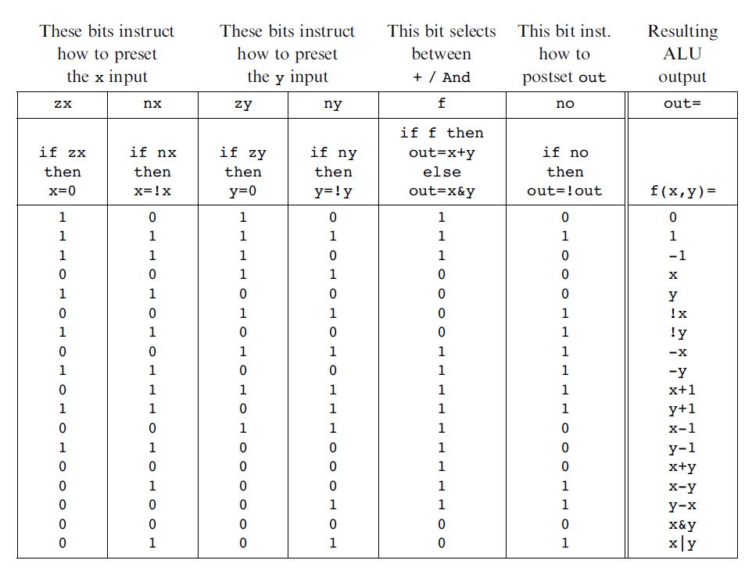
20 | 0 | 1 | 0 | 1 | 0 | 0
21 | 0 | 1 | 0 | 1 | 0 | 1
22 | 0 | 1 | 0 | 1 | 1 | 0
23 | 0 | 1 | 0 | 1 | 1 | 1
24 | 0 | 1 | 1 | 0 | 0 | 0
25 | 0 | 1 | 1 | 0 | 0 | 1
26 | 0 | 1 | 1 | 0 | 1 | 0
27 | 0 | 1 | 1 | 0 | 1 | 1
28 | 0 | 1 | 1 | 1 | 0 | 0
29 | 0 | 1 | 1 | 1 | 0 | 1
30 | 0 | 1 | 1 | 1 | 1 | 0
31 | 0 | 1 | 1 | 1 | 1 | 1
32 | 1 | 0 | 0 | 0 | 0 | 0
33 | 1 | 0 | 0 | 0 | 0 | 1
34 | 1 | 0 | 0 | 0 | 1 | 0
35 | 1 | 0 | 0 | 0 | 1 | 1
36 | 1 | 0 | 0 | 1 | 0 | 0
37 | 1 | 0 | 0 | 1 | 0 | 1
38 | 1 | 0 | 0 | 1 | 1 | 0
39 | 1 | 0 | 0 | 1 | 1 | 1
40 | 1 | 0 | 1 | 0 | 0 | 0
41 | 1 | 0 | 1 | 0 | 0 | 1
42 | 1 | 0 | 1 | 0 | 1 | 0
43 | 1 | 0 | 1 | 0 | 1 | 1
44 | 1 | 0 | 1 | 1 | 0 | 0
45 | 1 | 0 | 1 | 1 | 0 | 1
46 | 1 | 0 | 1 | 1 | 1 | 0 | zr | And with 0
47 | 1 | 0 | 1 | 1 | 1 | 1
48 | 1 | 1 | 0 | 0 | 0 | 0
49 | 1 | 1 | 0 | 0 | 0 | 1
50 | 1 | 1 | 0 | 0 | 1 | 0 | ng | first digit 1?
51 | 1 | 1 | 0 | 0 | 1 | 1
52 | 1 | 1 | 0 | 1 | 0 | 0
53 | 1 | 1 | 0 | 1 | 0 | 1
54 | 1 | 1 | 0 | 1 | 1 | 0
55 | 1 | 1 | 0 | 1 | 1 | 1
56 | 1 | 1 | 1 | 0 | 0 | 0
57 | 1 | 1 | 1 | 0 | 0 | 1
58 | 1 | 1 | 1 | 0 | 1 | 0
59 | 1 | 1 | 1 | 0 | 1 | 1
60 | 1 | 1 | 1 | 1 | 0 | 0
61 | 1 | 1 | 1 | 1 | 0 | 1
62 | 1 | 1 | 1 | 1 | 1 | 0
63 | 1 | 1 | 1 | 1 | 1 | 1

5 bit 2s compliment
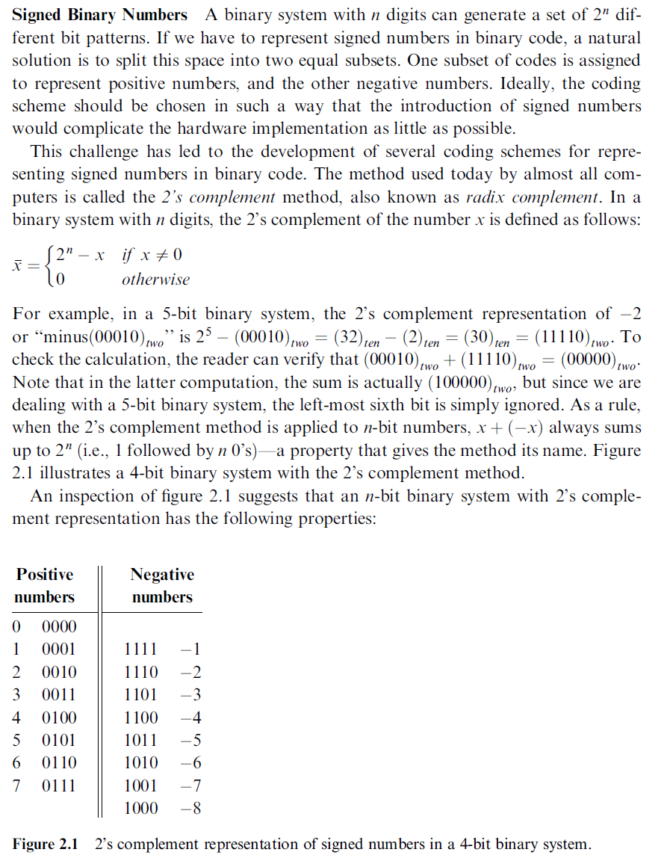

 | Positive Numbers |  |  |  |  |  | Negative Numbers
 |  | base 2 |  |  |  |  | base 2
 | base 10 | 5 | 4 | 3 | 2 | 1 | 5 | 4 | 3 | 2 | 1 | base 10
0 | 0 | 0 | 0 | 0 | 0 | 0
1 | 1 | 0 | 0 | 0 | 0 | 1 | 1 | 1 | 1 | 1 | 1 | 31 | -1
2 | 2 | 0 | 0 | 0 | 1 | 0 | 1 | 1 | 1 | 1 | 0 | 30 | -2
3 | 3 | 0 | 0 | 0 | 1 | 1 | 1 | 1 | 1 | 0 | 1 | 29 | -3
4 | 4 | 0 | 0 | 1 | 0 | 0 | 1 | 1 | 1 | 0 | 0 | 28 | -4
5 | 5 | 0 | 0 | 1 | 0 | 1 | 1 | 1 | 0 | 1 | 1 | 27 | -5
6 | 6 | 0 | 0 | 1 | 1 | 0 | 1 | 1 | 0 | 1 | 0 | 26 | -6
7 | 7 | 0 | 0 | 1 | 1 | 1 | 1 | 1 | 0 | 0 | 1 | 25 | -7
8 | 8 | 0 | 1 | 0 | 0 | 0 | 1 | 1 | 0 | 0 | 0 | 24 | -8
9 | 9 | 0 | 1 | 0 | 0 | 1 | 1 | 0 | 1 | 1 | 1 | 23 | -9
10 | 10 | 0 | 1 | 0 | 1 | 0 | 1 | 0 | 1 | 1 | 0 | 22 | -10
11 | 11 | 0 | 1 | 0 | 1 | 1 | 1 | 0 | 1 | 0 | 1 | 21 | -11
12 | 12 | 0 | 1 | 1 | 0 | 0 | 1 | 0 | 1 | 0 | 0 | 20 | -12
13 | 13 | 0 | 1 | 1 | 0 | 1 | 1 | 0 | 0 | 1 | 1 | 19 | -13
14 | 14 | 0 | 1 | 1 | 1 | 0 | 1 | 0 | 0 | 1 | 0 | 18 | -14
15 | 15 | 0 | 1 | 1 | 1 | 1 | 1 | 0 | 0 | 0 | 1 | 17 | -15
 |  |  |  |  |  |  | 1 | 0 | 0 | 0 | 0 | 16 | -16

Cp 5
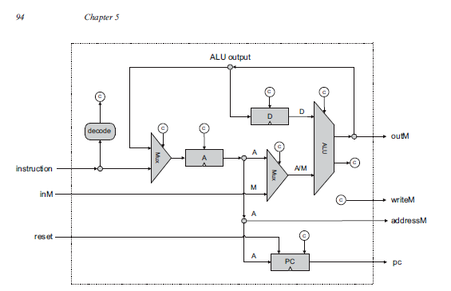

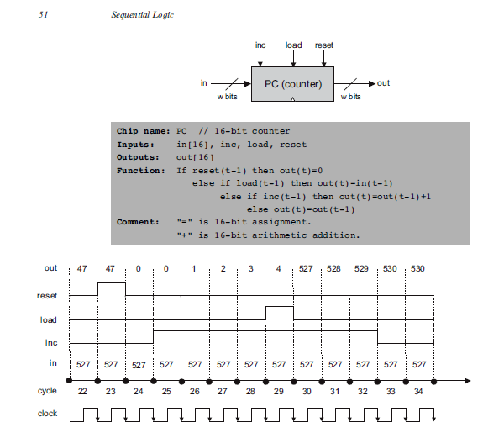

 |  |  |  |  | 1st step
 |  |  |  |  |  | A or C instruction
 |  |  |  |  |  |  | look at LSB
 |  |  |  |  |  | if LSB = 0 then A |  |  |  |  |  | else C
 |  |  |  |  |  |  | load vvvvvvvvvvvvvvv into Reg A |  |  |  |  |  |  | a is the load bit for the A/M Mux
 |  |  |  |  |  |  |  |  |  |  |  |  |  | c1 = zx
 |  |  |  |  |  |  |  |  |  |  |  |  |  | c2 = nx
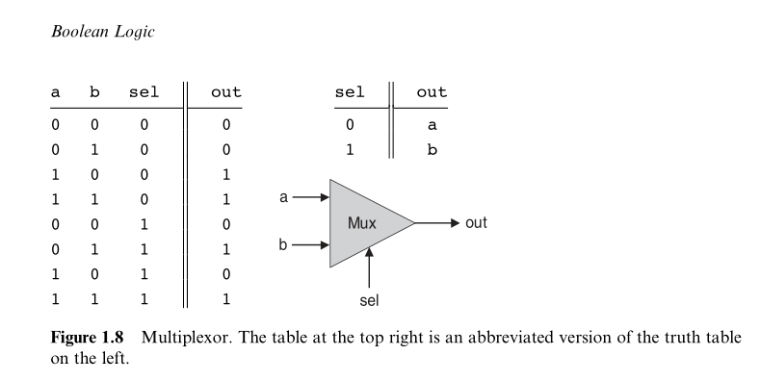
 |  |  |  |  |  |  |  |  |  |  |  |  |  | ….
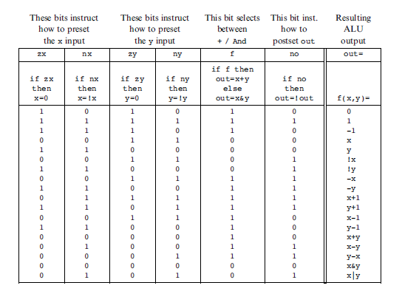
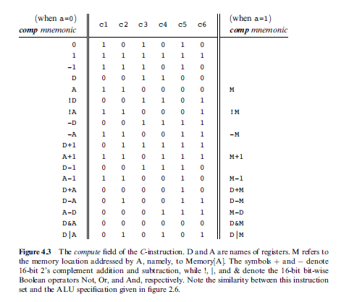
 |  |  |  | a
Num | Array Index | C Instruction | wrong | Ccode
1 | 15 | 1 | 0
2 | 14 | 1 | 1
3 | 13 | 1 | 2
4 | 12 | a | 3
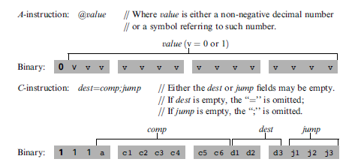
5 | 11 | c1 | 4
6 | 10 | c2 | 5
7 | 9 | c3 | 6
8 | 8 | c4 | 7
9 | 7 | c5 | 8
10 | 6 | c6 | 9
11 | 5 | d1 | 10
12 | 4 | d2 | 11
13 | 3 | d3 | 12
14 | 2 | j1 | 13
15 | 1 | j2 | 14
16 | 0 | j3 | 15

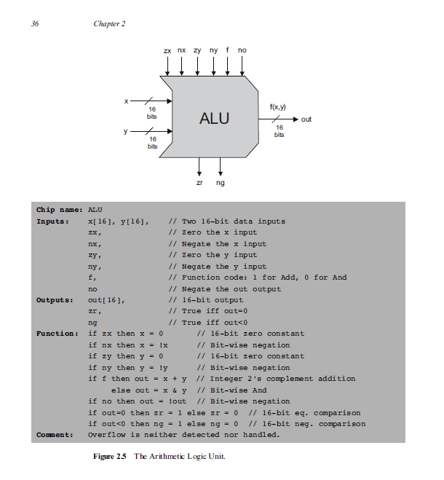

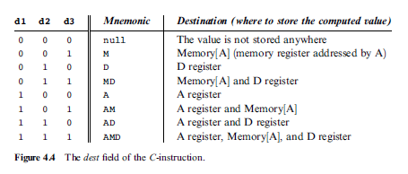
 |  |  |  |  |  |  |  |  |  |  |  |  |  |  | A | D | M
 |  |  |  |  |  |  |  |  |  |  |  |  |  |  | d1 | d2 | d3

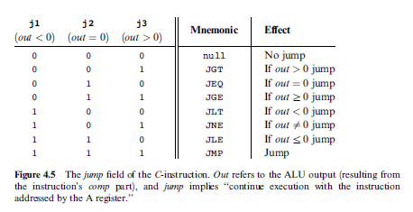
 |  |  |  |  |  |  |  |  |  |  |  |  |  |  |  |  |  | This is the calc
 |  |  |  |  |  |  |  |  |  |  |  |  |  |  |  | j1 | j2 | j3
 |  |  |  |  |  |  |  |  |  |  |  |  |  |  |  | ng | zr | nor (ng + zr)

 |  |  |  |  |  |  |  |  |  |  |  |  |  |  |  | 0 | 0 | TRUE
 |  |  |  |  |  |  |  |  |  |  |  |  |  |  |  | 0 | 1 | FALSE
 |  |  |  |  |  |  |  |  |  |  |  |  |  |  |  | 1 | 0 | FALSE

 |  |  |  |  |  |  |  | j1 | j2 | j3 | Mnemonic | j1 | j2 | j3
 |  |  |  |  |  |  |  | 0 | 0 | 0 | null
 |  |  |  |  |  |  |  | 0 | 0 | 1 | JGT |  |  | nor |  | j1 and ng | z1 | z1 and z2 | z4 | z3 and z4 | if 1 then jump
 |  |  |  |  |  |  |  | 0 | 1 | 0 | JEQ |  | zr |  |  | j2 and zr | z2
 |  |  |  |  |  |  |  | 0 | 1 | 1 | JGE |  | zr | nor |  | j3 and nor | z3
 |  |  |  |  |  |  |  | 1 | 0 | 0 | JLT | ng
 |  |  |  |  |  |  |  | 1 | 0 | 1 | JNE | ng |  | nor
 |  |  |  |  |  |  |  | 1 | 1 | 0 | JLE | ng | zr
 |  |  |  |  |  |  |  | 1 | 1 | 1 | JMP | ng | zr | nor

